Detail by Lane
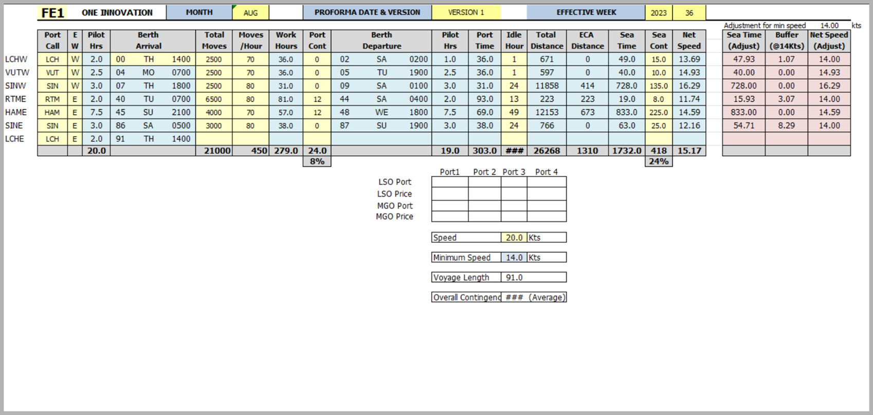
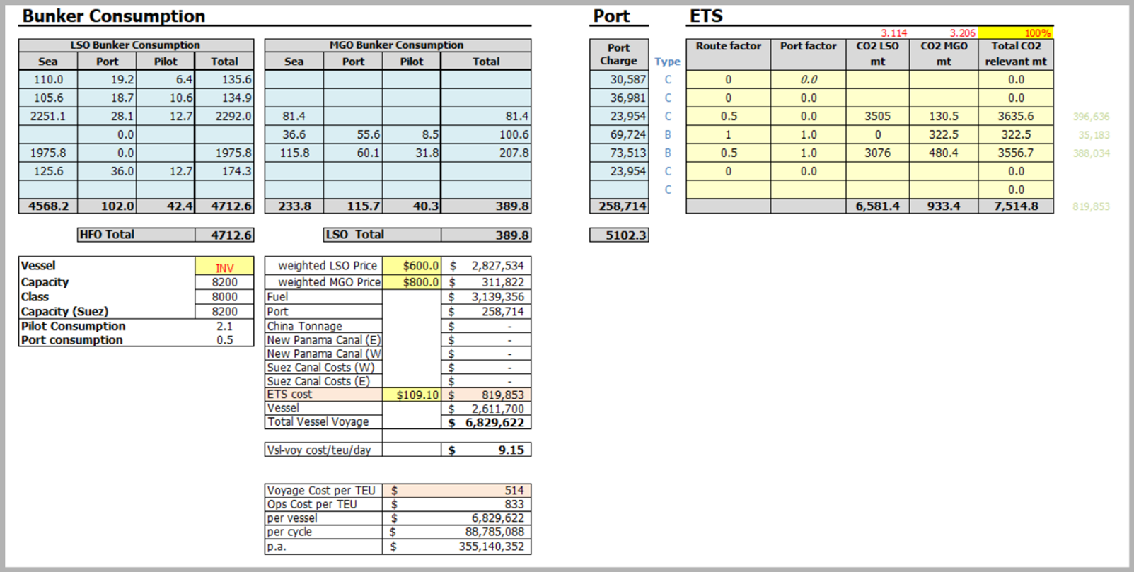
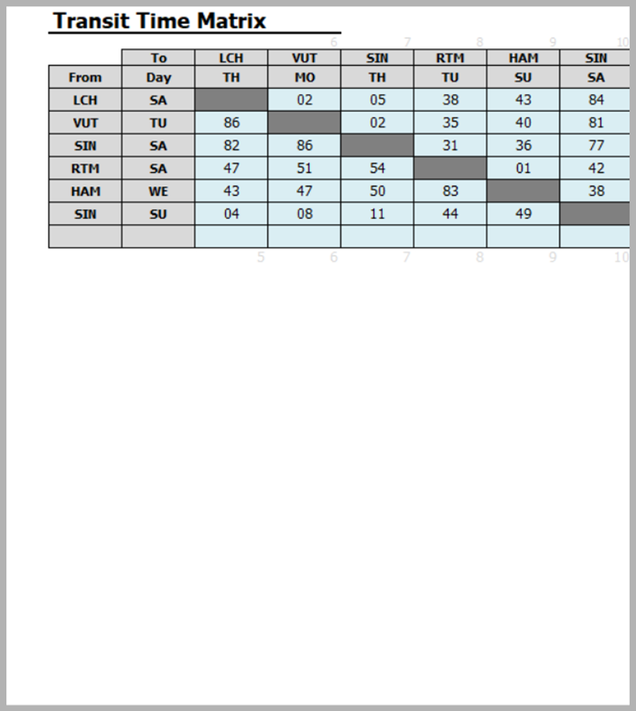

Time Zone 누락되어 있음
Port Cont = Port Contigency = Buffer Time while staying Port ? |  |  |  | 12
Total Moves / (Moves/Hour) = Work Hours |  |  |  | 81
Work Hours + Port Cont = Port Staying Time |  |  |  | 93
Port Staying Time = Berth Departure - Berth Arrival |  |  |  | SAT 04:00 | TUE 07:00 |  |  | 선사간 합의된 Sea Contigency, Port Contigency & Idle Hour
 |  |  |  | 2026-06-27
 |  |  |  | 2026-06-23
 |  |  |  | 3.875
 |  |  |  | 93

RTM Unberth | 2026-06-27 |  |  |  |  | 2026-06-27
RTM Pilot Out | 2 |  | 2026-06-27 |  |  | 2026-06-28
Idle Hour | 13 |  | 2026-06-27 |  |  | 1.395833333
HAM Pilot In | 7.5 |  | 2026-06-28 |  |  | 33.5
Distance | 223 | 18.99488927 | 2026-06-28 |  |  |  | 15.92857143
Sea Contigency | 0 |  | 2026-06-28 |  |  |  | 18.99488927
HAM Berth | 2026-06-28 |  |  |  |  |  | 3.066317839
 | 1.708333333
 | 41 |  | 41.49488927

